E54_hpwh
1
Beam to be aligned
Weld portion
Nestle Cagayan de Oro Factory | Compactor - Improvement of load cell frame |  |  |  |  |  |  |  | CDOF-CP-F-XX-XXX
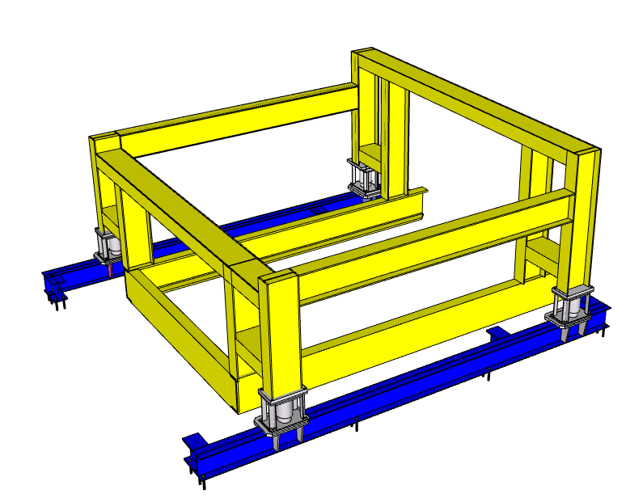 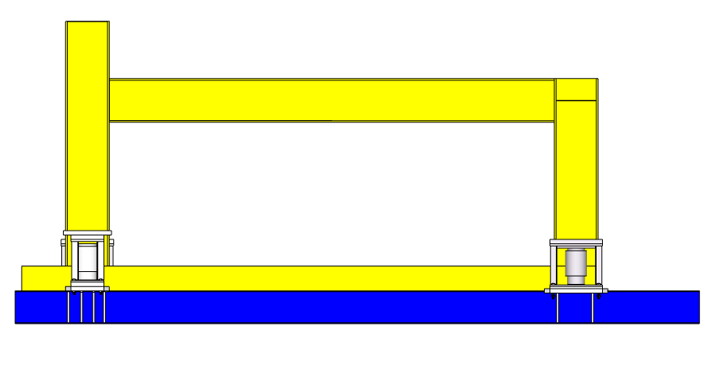

Level Bar

Temporary Support

Requirement | 1 | 2 | 3 | 4 | 5 | 6 | 7 | 8 | 9 | REMARKS
Provide a firm temporary support for the vertical members of the frame before proceeding in cutting the upper horizontal member.
Conduct initial welding after alignment. Check level of beam with TBMC Site Engineer before proceeding to full welding.
After full welding, check level of beam with TBMC Site engineer, if level is not acceptable, rework welding works.

NOTES:
Performed By: |  |  | Assessed and Validated By: |  |  |  |  | Noted By:

MEGANTECH Representative |  |  | TBMC Site Engineer |  |  |  |  | NPI Project Engineer

